Sheet1
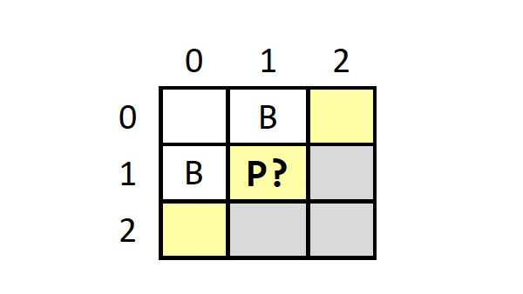

 |  | 0 | 1 | 2 |  |  | 0 | 1 | 2 |  | 0 | 1 | 2 |  | 0 | 1 | 2 |  | 0 | 1 | 2 |  | 0 | 1 | 2 |  | 0 | 1 | 2 |  | 0 | 1 | 2
 | 0 |  | B | P |  | 0 |  | B | P | 0 |  | B |  | 0 |  | B | P | 0 |  | B |  | 0 |  | B |  | 0 |  | B | P | 0 |  | B
 | 1 | B | P |  |  | 1 | B | P |  | 1 | B | P |  | 1 | B |  |  | 1 | B | P |  | 1 | B |  |  | 1 | B |  |  | 1 | B
 | 2 | P |  |  |  | 2 |  |  |  | 2 | P |  |  | 2 |  |  |  | 2 |  |  |  | 2 | P |  |  | 2 | P |  |  | 2
 |  | 0.2 | 0.2 | 0.2 |  |  | 0.8 | 0.2 | 0.2 |  | 0.2 | 0.2 | 0.8 |  | 0.8 | 0.8 | 0.2 |  | 0.8 | 0.2 | 0.8 |  | 0.2 | 0.8 | 0.8 |  | 0.2 | 0.8 | 0.2 |  | 0.8 | 0.8 | 0.8
 |  |  |  |  |  |  |  |  |  |  |  |  |  |  |  |  |  |  |  |  |  |  |  |  |  |  |  |  |  |  |  |  |  | SUM
Pr(Obs) |  | 0.008 |  |  |  |  | 0.032 |  |  |  | 0.032 |  |  |  | 0 |  |  |  | 0.128 |  |  |  | 0 |  |  |  | 0.032 |  |  |  | 0 |  |  | 0.232

Pr(P[1,1] and Obs) |  | 0.008 |  |  |  |  | 0.032 |  |  |  | 0.032 |  |  |  | 0 |  |  |  | 0.128 |  |  |  | 0 |  |  |  | 0 |  |  |  | 0 |  |  | 0.2

Pr(P[1,1] | Obs) | ANSWER |  |  |  | 0.86206896552

